RMS 2005 exceedances
Chart from Lewis 2005, Shah 2009 - Exceedance (AEP industry loss $B 2005)
 |  | Annualized risk (industry loss) | 1.3 |  |  | Annualized risk (industry loss) | 0.9 |  |  | Annualized risk (industry loss) | 0.5 | Numbers extracted from slide 22 of third reference below. | Second two references are also in https://github.com/bd02/staging/tree/main/docs/Public%20sources/Adversarial/Other/CBR/Insurance%20models/RMS.
Hurricane |  | WACPA | 13.9 | Earthquake |  | WACPA | 13.4 | Terrorism |  | WACPA | 18.6 | Calibrated (identification of the range as 0.00001 to 0.1) from slide at 16:47 of first reference below (2005 AEI presentation).
 |  |  |  |  |  |  |  |  |  |  |  | Lewis, Christopher M. (2005, July 8). Chart, exceedance curves from Risk Management Solutions (RMS) model. Presentation, event "Insurance industry and terrorism" (C-SPAN title), American Enterprise Institute, at 15:20-16:23. C-SPAN: at http://www.c-span.org/video/?187532-2/terrorism-insurance (screen captures 20 June 2021).
x | ccdf | dp | r | x | ccdf | dp | r | x | ccdf | dp | r | Lewis, Christopher M. (2013, September 18). Observations on managing terrorism risk and TRIA. File FACI_Lewis_final.ppt: at https://www.powershow.com/view4/56ff43-MjNhM/Observations_on_Managing_Terrorism_Risk_and_TRIA_powerpoint_ppt_presentation (checked 15 April 2021).
0.1 | 0.09031 | 0.00044 | 0.00010 | 0.1 | 0.06976 | 0.02364 | 0.01223 | 4.7 | 0.02854 | 0.00612 | 0.03502 | Shah, Hemant (2009, December 10). Modeling and managing catastrophe risk, slide 22. Risk Management Solutions (RMS). Symposium on managing the risk of catastrophe failure in complex systems, Cambridge University. At http://www.risk.jbs.cam.ac.uk/news/events/risksummits/downloads/pdfs/2009/shahh.pdf (retrieved 12 September 2015).
0.4 | 0.08987 | 0.01885 | 0.01581 | 2.1 | 0.04612 | 0.00702 | 0.01921 | 6.9 | 0.02241 | 0.00522 | 0.04002
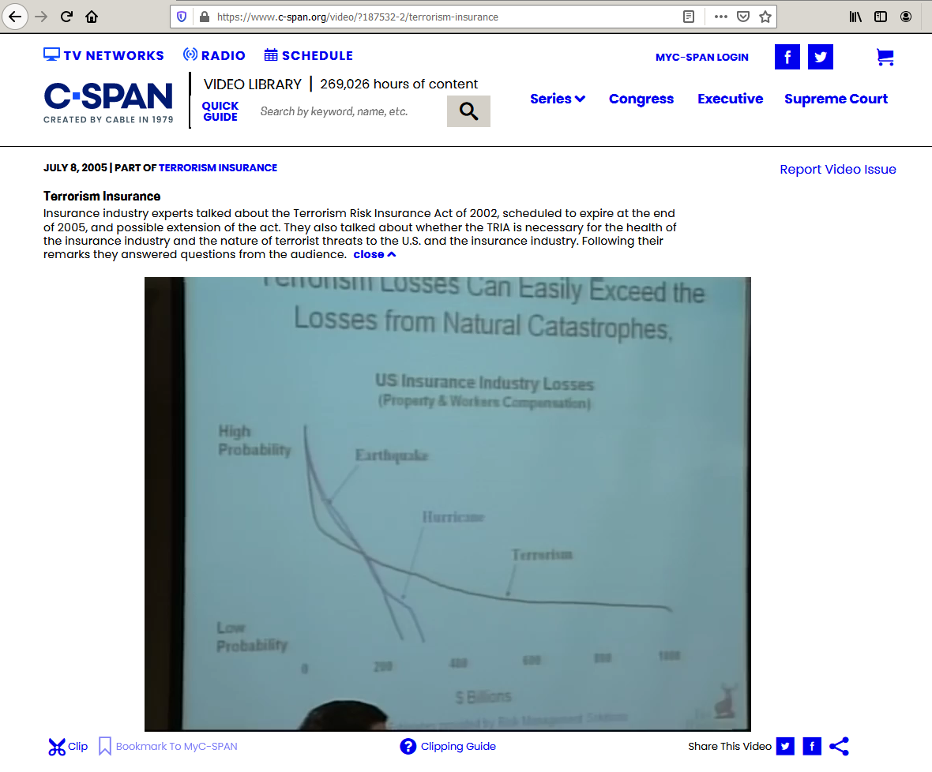

1.8 | 0.07101 | 0.00206 | 0.00389 | 3.6 | 0.03910 | 0.00514 | 0.02155 | 8.5 | 0.01719 | 0.00402 | 0.03743
2.0 | 0.06895 | 0.02169 | 0.06720 | 4.9 | 0.03396 | 0.00113 | 0.00567 | 10.2 | 0.01317 | 0.00278 | 0.03021
4.7 | 0.04727 | 0.00160 | 0.00777 | 5.2 | 0.03283 | 0.00350 | 0.02064 | 11.6 | 0.01039 | 0.00191 | 0.02384
5.0 | 0.04567 | 0.00507 | 0.02982 | 6.7 | 0.02933 | 0.00098 | 0.00671 | 13.4 | 0.00849 | 0.00160 | 0.02272
6.9 | 0.04060 | 0.00590 | 0.04526 | 7.0 | 0.02836 | 0.00230 | 0.01754 | 15.0 | 0.00688 | 0.00126 | 0.01993
8.5 | 0.03470 | 0.00340 | 0.03118 | 8.3 | 0.02606 | 0.00087 | 0.00731 | 16.6 | 0.00562 | 0.00106 | 0.01835
9.9 | 0.03130 | 0.00120 | 0.01207 | 8.6 | 0.02519 | 0.00204 | 0.01876 | 18.2 | 0.00457 | 0.00084 | 0.01573
10.2 | 0.03010 | 0.00254 | 0.02782 | 9.8 | 0.02315 | 0.00188 | 0.01985 | 19.4 | 0.00373 | 0.00061 | 0.01260
11.8 | 0.02756 | 0.00220 | 0.02742 | 11.4 | 0.02127 | 0.00082 | 0.00949 | 21.6 | 0.00311 | 0.00041 | 0.00909
13.1 | 0.02535 | 0.00086 | 0.01135 | 11.7 | 0.02045 | 0.00166 | 0.02087 | 22.9 | 0.00271 | 0.00038 | 0.00908
13.4 | 0.02450 | 0.00196 | 0.02757 | 13.6 | 0.01879 | 0.00162 | 0.02319 | 24.8 | 0.00232 | 0.00025 | 0.00632
14.8 | 0.02254 | 0.00076 | 0.01133 | 15.1 | 0.01717 | 0.00148 | 0.02349 | 26.4 | 0.00208 | 0.00018 | 0.00488
15.0 | 0.02178 | 0.00114 | 0.01795 | 16.7 | 0.01569 | 0.00127 | 0.02216 | 28.2 | 0.00190 | 0.00010 | 0.00301
16.4 | 0.02063 | 0.00070 | 0.01151 | 18.2 | 0.01442 | 0.00079 | 0.01487 | 29.8 | 0.00179 | 0.00015 | 0.00470
16.7 | 0.01994 | 0.00105 | 0.01814 | 19.5 | 0.01363 | 0.00045 | 0.00889 | 31.1 | 0.00164 | 0.00005 | 0.00145
18.0 | 0.01889 | 0.00064 | 0.01157 | 19.8 | 0.01317 | 0.00029 | 0.00603 | 32.9 | 0.00159 | 0.00010 | 0.00331
18.3 | 0.01825 | 0.00154 | 0.02922 | 21.3 | 0.01288 | 0.00043 | 0.00920 | 34.3 | 0.00150 | 0.00004 | 0.00152
19.6 | 0.01671 | 0.00088 | 0.01793 | 21.6 | 0.01245 | 0.00075 | 0.01676 | 35.9 | 0.00145 | 0.00004 | 0.00155
21.3 | 0.01583 | 0.00053 | 0.01143 | 23.2 | 0.01170 | 0.00058 | 0.01377 | 37.5 | 0.00141 | 0.00003 | 0.00131
21.5 | 0.01530 | 0.00080 | 0.01784 | 24.4 | 0.01112 | 0.00096 | 0.02416 | 39.1 | 0.00138 | 0.00009 | 0.00339
22.9 | 0.01449 | 0.00083 | 0.01962 | 26.0 | 0.01017 | 0.00034 | 0.00884 | 40.5 | 0.00129 | 0.00007 | 0.00297
24.5 | 0.01367 | 0.00046 | 0.01138 | 26.3 | 0.00983 | 0.00022 | 0.00592 | 47.3 | 0.00122 | 0.00008 | 0.00369
24.8 | 0.01320 | 0.00069 | 0.01774 | 27.8 | 0.00961 | 0.00037 | 0.01041 | 50.5 | 0.00115 | 0.00007 | 0.00342
26.4 | 0.01251 | 0.00111 | 0.03029 | 28.2 | 0.00924 | 0.00046 | 0.01321 | 53.8 | 0.00108 | 0.00003 | 0.00147
28.0 | 0.01140 | 0.00070 | 0.02030 | 29.7 | 0.00878 | 0.00053 | 0.01608 | 58.7 | 0.00106 | 0.00007 | 0.00403
29.7 | 0.01069 | 0.00051 | 0.01559 | 31.3 | 0.00825 | 0.00067 | 0.02143 | 65.2 | 0.00099 | 0.00003 | 0.00181
31.3 | 0.01018 | 0.00063 | 0.02019 | 32.8 | 0.00758 | 0.00050 | 0.01673 | 68.3 | 0.00096 | 0.00005 | 0.00364
32.9 | 0.00955 | 0.00050 | 0.01698 | 34.7 | 0.00709 | 0.00035 | 0.01242 | 71.7 | 0.00091 | 0.00003 | 0.00231
34.8 | 0.00905 | 0.00052 | 0.01836 | 36.2 | 0.00674 | 0.00041 | 0.01498 | 76.3 | 0.00088 | 0.00003 | 0.00196
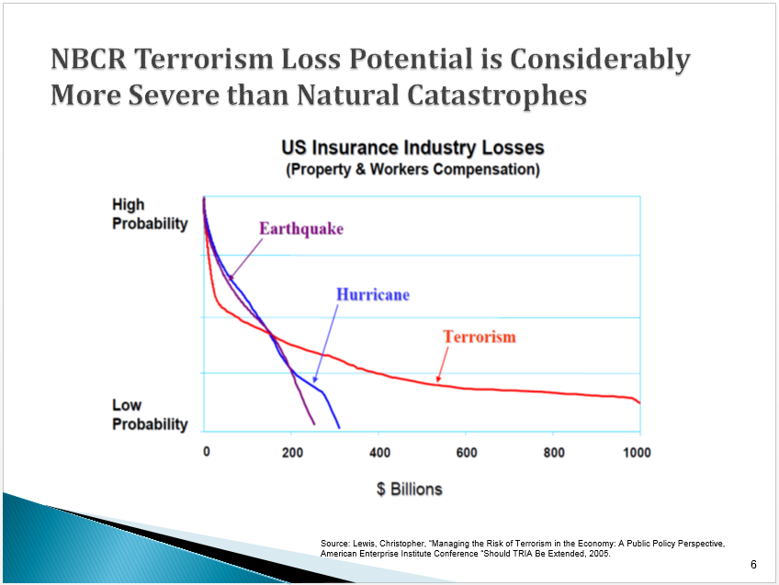

36.2 | 0.00853 | 0.00057 | 0.02094 | 37.8 | 0.00633 | 0.00035 | 0.01338 | 79.8 | 0.00086 | 0.00002 | 0.00187
37.8 | 0.00797 | 0.00015 | 0.00597 | 39.3 | 0.00598 | 0.00033 | 0.01315 | 81.4 | 0.00083 | 0.00005 | 0.00407
39.4 | 0.00781 | 0.00045 | 0.01785 | 40.9 | 0.00566 | 0.00034 | 0.01421 | 84.9 | 0.00078 | 0.00002 | 0.00186
40.5 | 0.00737 | 0.00042 | 0.01755 | 42.7 | 0.00532 | 0.00029 | 0.01268 | 88.1 | 0.00076 | 0.00004 | 0.00373
42.9 | 0.00694 | 0.00040 | 0.01732 | 44.3 | 0.00503 | 0.00030 | 0.01362 | 93.1 | 0.00072 | 0.00006 | 0.00637
44.3 | 0.00655 | 0.00043 | 0.01960 | 45.9 | 0.00472 | 0.00028 | 0.01324 | 106.1 | 0.00066 | 0.00004 | 0.00391
45.9 | 0.00611 | 0.00012 | 0.00554 | 47.4 | 0.00444 | 0.00012 | 0.00596 | 112.6 | 0.00062 | 0.00004 | 0.00433
47.5 | 0.00599 | 0.00034 | 0.01661 | 49.3 | 0.00432 | 0.00024 | 0.01184 | 120.7 | 0.00058 | 0.00003 | 0.00403
49.4 | 0.00565 | 0.00032 | 0.01619 | 50.8 | 0.00408 | 0.00022 | 0.01153 | 130.3 | 0.00055 | 0.00005 | 0.00644
50.8 | 0.00533 | 0.00015 | 0.00797 | 52.4 | 0.00386 | 0.00013 | 0.00681 | 139.9 | 0.00050 | 0.00009 | 0.01416
52.4 | 0.00517 | 0.00032 | 0.01701 | 53.9 | 0.00373 | 0.00020 | 0.01117 | 163.0 | 0.00041 | 0.00002 | 0.00371
54.0 | 0.00485 | 0.00028 | 0.01522 | 55.5 | 0.00352 | 0.00021 | 0.01192 | 167.6 | 0.00039 | 0.00002 | 0.00362
55.7 | 0.00458 | 0.00011 | 0.00626 | 57.0 | 0.00331 | 0.00009 | 0.00527 | 174.2 | 0.00037 | 0.00002 | 0.00392
57.0 | 0.00447 | 0.00028 | 0.01618 | 59.0 | 0.00322 | 0.00018 | 0.01053 | 182.3 | 0.00034 | 0.00003 | 0.00555
60.3 | 0.00419 | 0.00022 | 0.01347 | 60.2 | 0.00304 | 0.00008 | 0.00517 | 192.2 | 0.00031 | 0.00002 | 0.00340
62.2 | 0.00397 | 0.00026 | 0.01663 | 62.1 | 0.00296 | 0.00018 | 0.01122 | 200.3 | 0.00030 | 0.00002 | 0.00337
64.1 | 0.00371 | 0.00009 | 0.00581 | 64.0 | 0.00278 | 0.00015 | 0.00985 | 211.9 | 0.00028 | 0.00002 | 0.00369
65.2 | 0.00362 | 0.00009 | 0.00579 | 65.2 | 0.00263 | 0.00009 | 0.00579 | 223.1 | 0.00026 | 0.00002 | 0.00525
67.1 | 0.00353 | 0.00022 | 0.01477 | 67.1 | 0.00254 | 0.00007 | 0.00478 | 236.2 | 0.00024 | 0.00001 | 0.00322
68.4 | 0.00331 | 0.00010 | 0.00666 | 68.3 | 0.00247 | 0.00007 | 0.00477 | 249.3 | 0.00023 | 0.00003 | 0.00664
70.3 | 0.00322 | 0.00008 | 0.00553 | 70.5 | 0.00240 | 0.00013 | 0.00937 | 270.5 | 0.00020 | 0.00001 | 0.00157
71.7 | 0.00314 | 0.00009 | 0.00659 | 71.8 | 0.00227 | 0.00008 | 0.00549 | 286.6 | 0.00020 | 0.00001 | 0.00165
73.3 | 0.00305 | 0.00009 | 0.00656 | 73.6 | 0.00219 | 0.00012 | 0.00893 | 291.7 | 0.00019 | 0.00001 | 0.00321
75.2 | 0.00296 | 0.00018 | 0.01386 | 74.9 | 0.00207 | 0.00006 | 0.00436 | 298.2 | 0.00018 | 0.00001 | 0.00157
76.5 | 0.00278 | 0.00007 | 0.00520 | 76.4 | 0.00202 | 0.00007 | 0.00520 | 302.8 | 0.00017 | 0.00001 | 0.00155
78.4 | 0.00271 | 0.00008 | 0.00622 | 78.6 | 0.00195 | 0.00011 | 0.00847 | 307.9 | 0.00017 | 0.00001 | 0.00178
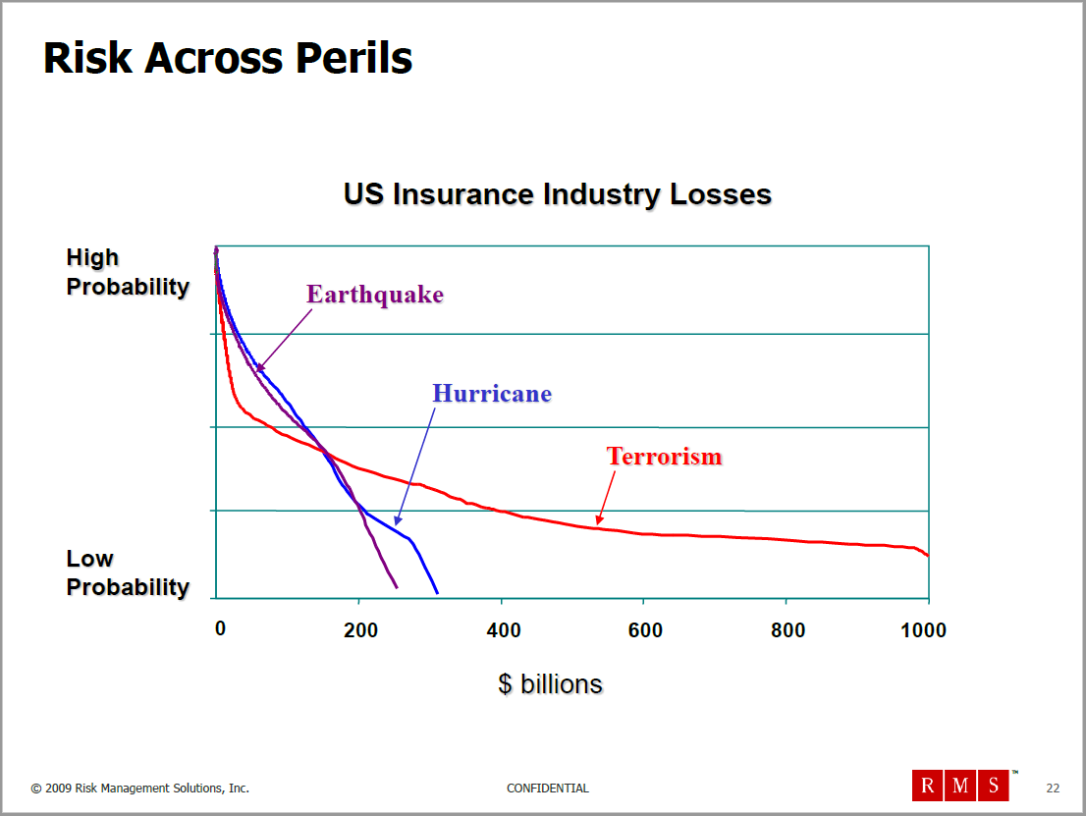
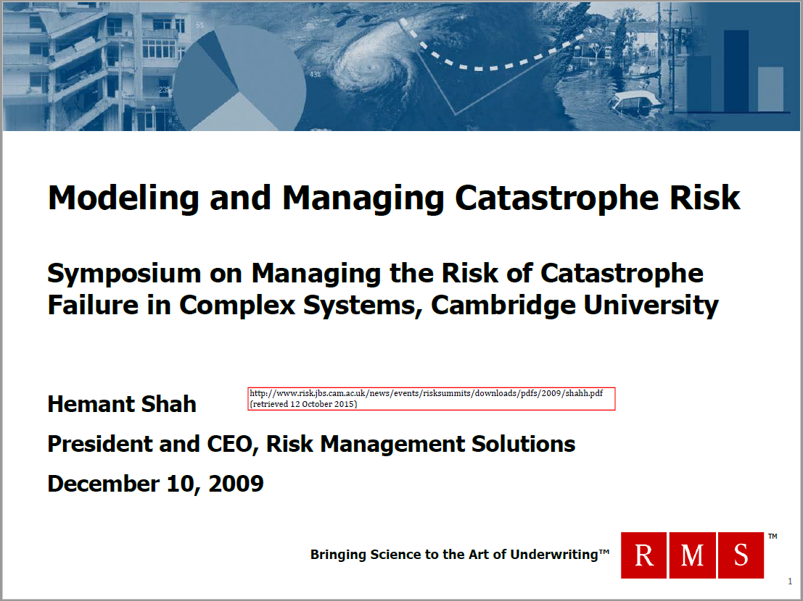
79.8 | 0.00263 | 0.00009 | 0.00715 | 79.9 | 0.00184 | 0.00010 | 0.00823 | 312.8 | 0.00016 | 0.00000 | 0.00125
81.4 | 0.00254 | 0.00007 | 0.00607 | 83.0 | 0.00174 | 0.00006 | 0.00487 | 316.0 | 0.00016 | 0.00000 | 0.00148
83.0 | 0.00247 | 0.00006 | 0.00501 | 85.2 | 0.00168 | 0.00009 | 0.00798 | 320.9 | 0.00016 | 0.00001 | 0.00287
84.9 | 0.00241 | 0.00007 | 0.00598 | 88.0 | 0.00159 | 0.00004 | 0.00393 | 325.8 | 0.00015 | 0.00000 | 0.00162
86.3 | 0.00234 | 0.00000 | 0.00000 | 89.5 | 0.00155 | 0.00009 | 0.00842 | 329.1 | 0.00014 | 0.00000 | 0.00114
Chart from Lewis 2005, Shah 2009 - Exceedance (AEP industry loss $B 2005)
86.3 | 0.00234 | 0.00007 | 0.00590 | 91.4 | 0.00145 | 0.00008 | 0.00734 | 333.9 | 0.00014 | 0.00000 | 0.00135
87.9 | 0.00227 | 0.00014 | 0.01244 | 92.9 | 0.00137 | 0.00008 | 0.00788 | 342.2 | 0.00013 | 0.00000 | 0.00134
89.5 | 0.00213 | 0.00005 | 0.00467 | 97.6 | 0.00129 | 0.00004 | 0.00354 | 345.3 | 0.00013 | 0.00001 | 0.00258
91.4 | 0.00208 | 0.00006 | 0.00556 | 99.5 | 0.00126 | 0.00007 | 0.00690 | 350.2 | 0.00012 | 0.00000 | 0.00126
93.1 | 0.00202 | 0.00012 | 0.01168 | 101.0 | 0.00119 | 0.00004 | 0.00405 | 359.8 | 0.00012 | 0.00000 | 0.00125
94.4 | 0.00189 | 0.00005 | 0.00437 | 104.2 | 0.00115 | 0.00003 | 0.00335 | 364.8 | 0.00012 | 0.00001 | 0.00263
96.0 | 0.00185 | 0.00011 | 0.01023 | 106.0 | 0.00112 | 0.00006 | 0.00653 | 372.9 | 0.00011 | 0.00000 | 0.00099
97.7 | 0.00174 | 0.00006 | 0.00580 | 107.6 | 0.00105 | 0.00004 | 0.00380 | 382.9 | 0.00011 | 0.00000 | 0.00119
99.6 | 0.00168 | 0.00009 | 0.00893 | 109.1 | 0.00102 | 0.00003 | 0.00314 | 389.4 | 0.00010 | 0.00000 | 0.00115
102.5 | 0.00159 | 0.00005 | 0.00478 | 112.6 | 0.00099 | 0.00008 | 0.00918 | 392.5 | 0.00010 | 0.00000 | 0.00136
104.2 | 0.00155 | 0.00010 | 0.01005 | 115.7 | 0.00091 | 0.00003 | 0.00355 | 405.6 | 0.00010 | 0.00000 | 0.00114
106.1 | 0.00145 | 0.00008 | 0.00816 | 118.8 | 0.00088 | 0.00002 | 0.00293 | 410.6 | 0.00009 | 0.00000 | 0.00204
107.7 | 0.00138 | 0.00005 | 0.00503 | 120.7 | 0.00086 | 0.00005 | 0.00573 | 420.4 | 0.00009 | 0.00001 | 0.00235
109.0 | 0.00133 | 0.00008 | 0.00835 | 123.8 | 0.00081 | 0.00003 | 0.00338 | 438.0 | 0.00008 | 0.00000 | 0.00089
110.7 | 0.00125 | 0.00007 | 0.00735 | 127.2 | 0.00078 | 0.00004 | 0.00549 | 444.5 | 0.00008 | 0.00000 | 0.00210
112.6 | 0.00119 | 0.00004 | 0.00455 | 128.8 | 0.00074 | 0.00004 | 0.00528 | 462.6 | 0.00008 | 0.00000 | 0.00122
114.2 | 0.00115 | 0.00007 | 0.00759 | 131.9 | 0.00070 | 0.00004 | 0.00562 | 472.2 | 0.00007 | 0.00000 | 0.00101
117.2 | 0.00108 | 0.00003 | 0.00310 | 135.3 | 0.00066 | 0.00002 | 0.00248 | 482.1 | 0.00007 | 0.00000 | 0.00093
118.8 | 0.00106 | 0.00007 | 0.00781 | 136.9 | 0.00064 | 0.00002 | 0.00245 | 488.8 | 0.00007 | 0.00000 | 0.00092
120.7 | 0.00099 | 0.00005 | 0.00633 | 140.0 | 0.00062 | 0.00005 | 0.00759 | 497.0 | 0.00007 | 0.00000 | 0.00117
122.3 | 0.00094 | 0.00006 | 0.00713 | 143.4 | 0.00057 | 0.00005 | 0.00713 | 506.7 | 0.00007 | 0.00000 | 0.00096
123.7 | 0.00088 | 0.00003 | 0.00321 | 148.4 | 0.00052 | 0.00004 | 0.00633 | 518.2 | 0.00006 | 0.00000 | 0.00089
127.2 | 0.00086 | 0.00004 | 0.00575 | 153.1 | 0.00048 | 0.00004 | 0.00636 | 529.3 | 0.00006 | 0.00000 | 0.00089
128.8 | 0.00081 | 0.00005 | 0.00652 | 156.5 | 0.00043 | 0.00003 | 0.00411 | 543.9 | 0.00006 | 0.00000 | 0.00096
131.8 | 0.00076 | 0.00004 | 0.00530 | 158.0 | 0.00041 | 0.00002 | 0.00358 | 563.5 | 0.00006 | 0.00000 | 0.00210
133.7 | 0.00072 | 0.00004 | 0.00602 | 161.2 | 0.00039 | 0.00005 | 0.00862 | 586.2 | 0.00006 | 0.00000 | 0.00088
137.0 | 0.00068 | 0.00011 | 0.01534 | 166.1 | 0.00033 | 0.00002 | 0.00337 | 610.8 | 0.00005 | 0.00000 | 0.00091
143.5 | 0.00057 | 0.00005 | 0.00693 | 169.6 | 0.00031 | 0.00003 | 0.00572 | 661.3 | 0.00005 | 0.00000 | 0.00122
146.4 | 0.00052 | 0.00004 | 0.00615 | 172.7 | 0.00028 | 0.00002 | 0.00421 | 708.7 | 0.00005 | 0.00000 | 0.00206
150.0 | 0.00048 | 0.00003 | 0.00447 | 175.8 | 0.00026 | 0.00003 | 0.00507 | 773.8 | 0.00005 | 0.00000 | 0.00325
151.5 | 0.00045 | 0.00003 | 0.00386 | 179.2 | 0.00023 | 0.00004 | 0.00663 | 832.3 | 0.00004 | 0.00000 | 0.00101
152.9 | 0.00042 | 0.00012 | 0.01852 | 184.2 | 0.00019 | 0.00001 | 0.00213 | 868.1 | 0.00004 | 0.00000 | 0.00102
164.6 | 0.00031 | 0.00002 | 0.00404 | 187.3 | 0.00018 | 0.00002 | 0.00462 | 899.0 | 0.00004 | 0.00000 | 0.00107
166.2 | 0.00028 | 0.00003 | 0.00544 | 190.7 | 0.00015 | 0.00002 | 0.00406 | 912.1 | 0.00004 | 0.00000 | 0.00129
169.5 | 0.00025 | 0.00003 | 0.00472 | 193.9 | 0.00013 | 0.00001 | 0.00157 | 962.6 | 0.00004 | 0.00000 | 0.00108
172.7 | 0.00022 | 0.00002 | 0.00325 | 195.4 | 0.00013 | 0.00001 | 0.00201 | 980.7 | 0.00004 | 0.00000 | 0.00101
175.7 | 0.00020 | 0.00001 | 0.00195 | 198.8 | 0.00012 | 0.00001 | 0.00139 | 983.8 | 0.00004 | 0.00000 | 0.00099
177.6 | 0.00019 | 0.00001 | 0.00205 | 200.4 | 0.00011 | 0.00001 | 0.00177 | 985.6 | 0.00004 | 0.00000 | 0.00091
180.8 | 0.00018 | 0.00002 | 0.00292 | 202.0 | 0.00010 | 0.00001 | 0.00227 | 989.7 | 0.00003 | 0.00000 | 0.00094
184.1 | 0.00016 | 0.00002 | 0.00326 | 205.4 | 0.00009 | 0.00001 | 0.00205 | 991.6 | 0.00003 | 0.00000 | 0.00092
189.0 | 0.00015 | 0.00002 | 0.00311 | 208.5 | 0.00008 | 0.00001 | 0.00225 | 993.1 | 0.00003 | 0.00000 | 0.00089
193.9 | 0.00013 | 0.00001 | 0.00152 | 210.0 | 0.00007 | 0.00001 | 0.00161 | 996.2 | 0.00003 | 0.00000 | 0.00172
197.0 | 0.00012 | 0.00001 | 0.00132 | 213.5 | 0.00006 | 0.00001 | 0.00145 | 999.6 | 0.00003 | 0.00003 | 0.03014
200.4 | 0.00012 | 0.00001 | 0.00203 | 216.6 | 0.00005 | 0.00000 | 0.00101
205.4 | 0.00011 | 0.00001 | 0.00190 | 220.0 | 0.00005 | 0.00001 | 0.00230
210.1 | 0.00010 | 0.00001 | 0.00110 | 224.7 | 0.00004 | 0.00000 | 0.00093
211.9 | 0.00009 | 0.00000 | 0.00053 | 228.1 | 0.00003 | 0.00000 | 0.00112
215.0 | 0.00009 | 0.00001 | 0.00115 | 231.2 | 0.00003 | 0.00000 | 0.00111
220.0 | 0.00008 | 0.00000 | 0.00101 | 236.2 | 0.00002 | 0.00000 | 0.00112
224.7 | 0.00008 | 0.00001 | 0.00249 | 241.2 | 0.00002 | 0.00000 | 0.00091
237.7 | 0.00007 | 0.00001 | 0.00143 | 247.7 | 0.00002 | 0.00000 | 0.00087
245.9 | 0.00006 | 0.00001 | 0.00135 | 254.3 | 0.00001 | 0.00001 | 0.00331
254.3 | 0.00006 | 0.00001 | 0.00163
263.9 | 0.00005 | 0.00000 | 0.00073
270.5 | 0.00005 | 0.00001 | 0.00177
277.0 | 0.00004 | 0.00000 | 0.00129
280.1 | 0.00004 | 0.00001 | 0.00142
285.1 | 0.00003 | 0.00001 | 0.00256
293.2 | 0.00002 | 0.00001 | 0.00201
302.8 | 0.00002 | 0.00000 | 0.00148
311.2 | 0.00001 | 0.00001 | 0.00350

